Tornado
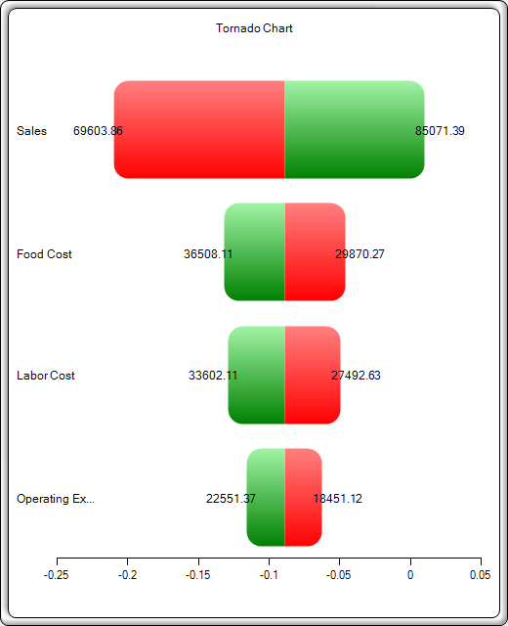
Tornado and Spider Charts

Statistical Summary

One of the powerful simulation tools is the tornado chart––it captures the static impacts of each variable on the outcome of the model. That is, the tool automatically perturbs each precedent variable in the model a user-specified preset amount, captures the fluctuation on the model’s forecast or final result, and lists the resulting perturbations ranked from the most significant to the least. Precedents are all the input and intermediate variables that affect the outcome of the model. For instance, if the model consists of A = B + C, where C = D + E, then B, D, and E are the precedents for A (C is not a precedent as it is only an intermediate calculated value). The range and number of values perturbed is user-specified and can be set to test extreme values rather than smaller perturbations around the expected values. In certain circumstances, extreme values may have a larger, smaller, or unbalanced impact (e.g., nonlinearities may occur where increasing or decreasing economies of scale and scope creep occurs for larger or smaller values of a variable) and only a wider range will capture this nonlinear impact.
A tornado chart lists all the inputs that drive the model, starting from the input variable that has the most effect on the results. The chart is obtained by perturbing each precedent input at some consistent range (e.g., ±10% from the base case) one at a time, and comparing their results to the base case. A spider chart looks like a spider with a central body and its many legs protruding. The positively sloped line indicates a positive relationship, while a negatively sloped line indicates a negative relationship. Further, spider charts can be used to visualize linear and nonlinear relationships. The tornado and spider charts help identify the critical success factors of an output cell in order to identify the inputs to simulate. The identified critical variables that are uncertain are the ones that should be simulated. Do not waste time simulating variables that are neither uncertain nor have little impact on the results.

Result
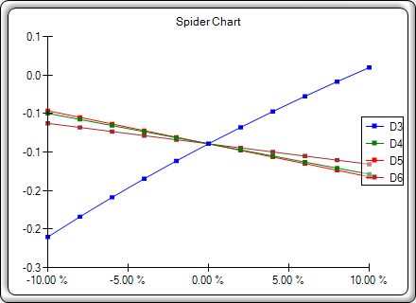
 | Base Value: -0.0892214439563202 |  |  | Input Changes
Precedent Cell | Output Downside | Output Upside | Effective Range | Input Downside | Input Upside | Base Case Value
D3: Sales | -0.21024604884 | 0.0097986873124 | 0.22 | $69,603.86 | $85,071.39 | $77,337.63
D5: Food Cost | -0.046306772898 | -0.13213611501 | 0.09 | $29,870.27 | $36,508.11 | $33,189.19
D4: Labor Cost | -0.049722728678 | -0.12872015923 | 0.08 | $27,492.63 | $33,602.11 | $30,547.37
D6: Operating Expneses | -0.062712685897 | -0.11573020202 | 0.05 | $18,451.12 | $22,551.37 | $20,501.24

